1. Start Here
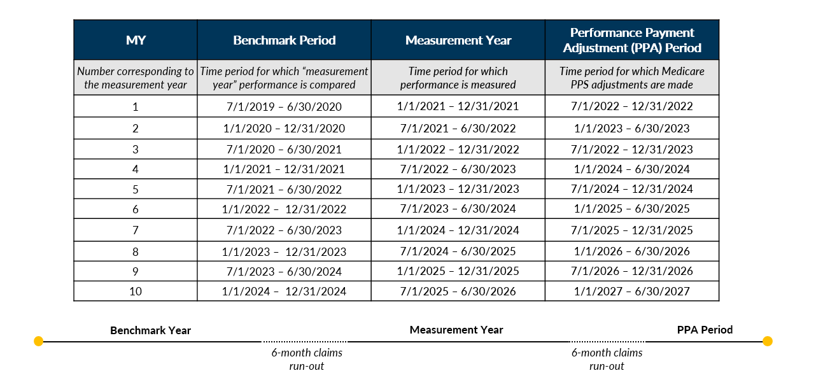
ESRD Treatment Choices (ETC) Model Physician Impact Calculator
 | Overview

INTRODUCTION
The ETC program is a program launched by CMS with the intent of improving the number of patients treating on home dialysis modalities along with patients being entered on the transplant waitlist. This calculator should function as a tool to forecast the financial impact of the program at the physician or physician practice level, separate from the broader Hospital Referral Region (HRR).
OVERVIEW
In order to incentivize Home modality and Transplant improvement, CMS is introducing a tiered performance threshold that includes adjustments to medicare reimbursement per patient from MCP claims with CPT Codes 90957, 90958, 90959, 90960, 90961,
90962, 90965, 90966, for home patients and Claims with Type of Bill 072X and condition code 72 for self-dialysis patients. The Home Dialysis Performance Adjustment (HDPA) incentive includes three years of upside as outlined in the HDPA table below, while the Performance Payment Adjustment (PPA) includes both upside and potential loss as outlined in the performance thresholds table below.
PERFORMANCE THRESHOLDS
METRIC DEFINITIONS
CLINICIAN PERFORMANCE PAYMENT ADJUSTMENT OVER DURATION OF ETC
PROGRAM TIMELINE

Navigate to the CMS ETC website and scroll to the Additional Information section at the bottom of the page to fine the ETC Model Achievement Benchmarks for Measurement Year X (x being the latest or desired program measurement year)

Total dialysis patients
Home dialysis patients + one half the number of self dialysis patients & Nocturnal ICHD patients
=
Transplant Rate Sum of waitlist and living donor transplant rate
Total dialysis patients
Total number of dialysis patients on the transplant waitlist
+
Total dialysis patients + total pre-emptive living donor transplant patients
Total living donor transplant patients + total pre-emptive living donor transplant patients
=
Home Dialysis Rate

2. Instructions
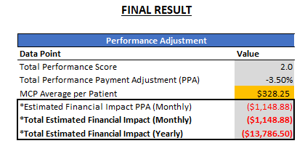
ESRD Treatment Choices (ETC) Model Physician Impact Calculator
ETC
Ver. 2023-06-28

Overview

The ESRD Treatment Choices (ETC) Model Impact Calculator for Managing Clinicians should function as a tool to forecast the financial impact of the program at the physician or physician practice level, separate from the broader Hospital Referral Region (HRR).

How to Input Your Data:
How to Input Your Data

1. Select the desired Measurement Year and the correct Stratum for your practice.

2. Enter your Total Dialysis Patients and Home Dialysis & Transplant patient counts in the orange boxes by following the steps outlined in the Physician Calculator tab:

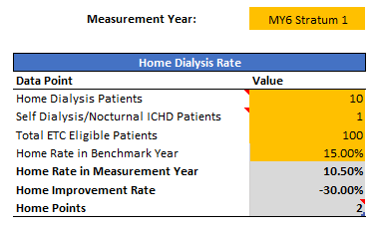
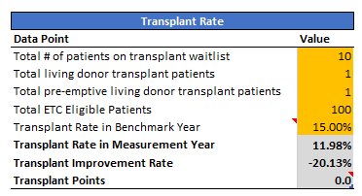

When entering patients into the orange boxes:
Choose the appropriate Measurement Year
Include only Medicare Part B patients (Part C excluded); and
Do not include: Patients >75 years old (transplant count only), Patients <18 years old, International visitors, Hospice patients, AKI patients, Patients diagnosed with Dementia in the last 12 months, Skilled Nursing Facilities (SNF) patients

Interpreting the Output

After entering the data in How to Input Your Data section, look to the Final Result table to review your current performance against the current PPA Period:
The Total Performance Score is the sum of the Home and Transplant points from above. (Reminder: CMS takes the higher points of achievement or improvement. This is automatically calculated when you input your practice's data)
The Total Performance Payment Adjustment (PPA) is the positive, neutral or negative payment adjustment made to your Medicare Claims. This adjustment is determined from your Total Performance Score.
This calculator then determines your practice's Total Estimated Financial Impact (Monthly & Yearly)

© 2022 DaVita Inc. Proprietary and confidential.
1

3. Physician Calculator
ESRD Treatment Choices (ETC) Model Physician Impact Calculator for medicare patients only*

Step 1
Become familiar with patient exclusions.
When Entering data in Yellow cells below:
1) Only include Medicare Part B Patients in patient totals (Part C Excluded)
2) Do not include patients >75 years old (*transplant only)
3) Do not include patients <18 years old
4) Do not include International visitors
5) Do not include Hospice patients
6) Do not include AKI patients
7) Do not include patients diagnosed with Dementia in last 12 months
8) Do not include skilled nursing facility (SNF) patients

Enter your values in all yellow boxes; your performance will automatically update.

Step 2 | Measurement Year: | MY4 Stratum 1 |  |  | FINAL RESULT

Enter information for your practice, keeping in mind the exclusions from above.
 | Home Dialysis Rate |  | Transplant Rate |  | Performance Adjustment
 | Data Point | Value | Data Point | Value | Data Point | Value
 | Home Dialysis Patients | 10 | Total # of patients on transplant waitlist | 10 | Total Performance Score | 2.0
 | Self Dialysis/Nocturnal ICHD Patients | 1 | Total living donor transplant patients | 1 | Total Performance Payment Adjustment (PPA) | -3.00%
 | Total ETC Eligible Patients | 100 | Total pre-emptive living donor transplant patients | 1 | MCP Average per Patient | $328.25
 | Home Rate in Benchmark Year | 15.00% | Total ETC Eligible Patients | 100 | *Estimated Financial Impact PPA (Monthly) | ($984.75)
 | Home Rate in Measurement Year | 10.50% | Transplant Rate in Benchmark Year | 15.00% | *Total Estimated Financial Impact (Monthly) | ($984.75)
 | Home Improvement Rate | -30.00% | Transplant Rate in Measurement Year | 11.98% | *Total Estimated Financial Impact (Yearly) | ($11,817.00)
 | Home Points | 2 | Transplant Improvement Rate | -20.13%
 |  |  | Transplant Points | 0.0
Step 3

Compare your Rate in Measurement Year and Improvement Rate to the Scoring Guide.
Keep in mind your score is reflective of the higher value from the Achievement and Improvement rates.
Add your Home Points and Transplant Points to determine your final payment adjustment.
Final Note: this data is reflective of a single months performance only. CMS will calculate final scores using aggregate performance for the entire measurement period.
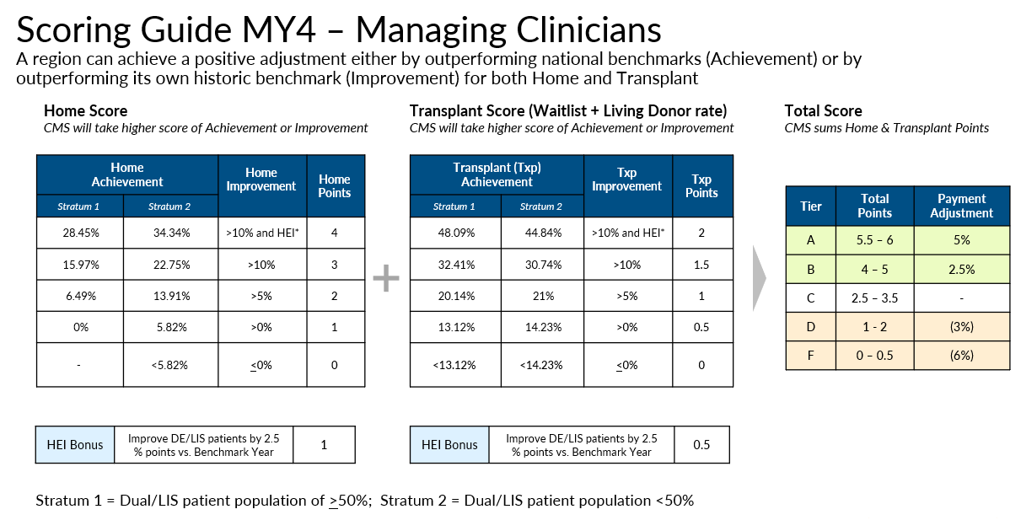
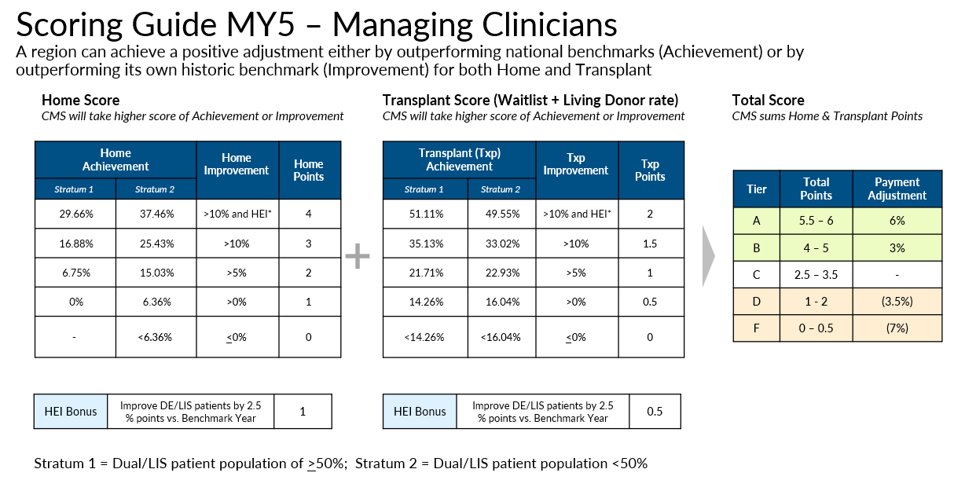

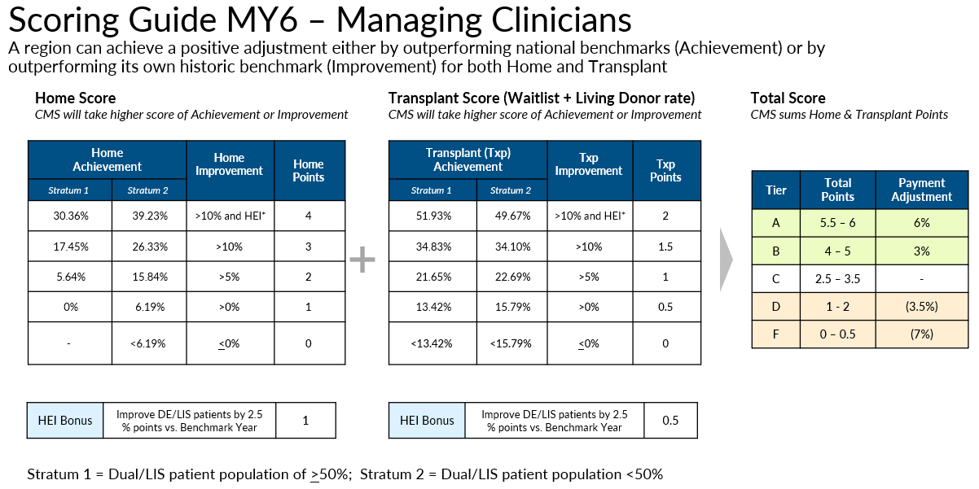

 | Click here for all Measurement Year benchmarks and scoring

